dashboard Alzheimer1




Alzheimer
Alcl3
Conclusion
MSG
RESEARCH
Evaluation of Anti-Alzheimer activity of Ethanolic extract of Manilkara zapota leaves against experimentally induced Alzheimer’s disease in Rats
ELMZ
86
ALZHIEMER'S DISEASE
Alzheimer's disease (AD) is the most prevalent degenerative, irreversible, age-related disease that impairs memory and other cognitive abilities.
AD is marked by a breakdown in communication among nerve cells. This breakdown results in a loss of function in the neurons and eventually cell death. Cell death is predominant in the region of the brain that is responsible for controlling memory.
Manilkara zapota plant extract will be used and the plant possess rich amounts of sterols, flavonoids and polyphenols. These phytoconstituents are reported to reduce the oxidative stress induced by drugs/chemicals/xenobiotics and also involved in memory enhancing properties.Disease with memory loss in association with loss of neurons. The loss of neurons is attributed to the generation of free radicals over period. Since, the plant of the present study has rich amounts of antioxidant principles and memory enhancing properties, the present study is planned to evaluate anti-alzheimer activity of ethanolic extract of Manilkara zapota leaves against experimentally induced Alzheimer’s disease in rats.
Elevation of beta-Amyloid (Aβ) protein, indicated by the presence of extracellular Senile Plaques (SP) and formation of intracellular Neuro Fibrillary Tangles (NFTs) formed due to hyperphosphorylation of tau protein are the major pathological hallmarks of AD, along with the loss of cholinergic neurons in the basal forebrain..
Common early symptoms of Alzheimer's disease are,
1. Confusion
2. Disturbances in short-term memory
3. Problems with attention and spatial orientation 4. Personality changes
5. Language difficulties
6. Unexplained mood swings
33/1000
12.7 M

dashboard Alcl3 (2)
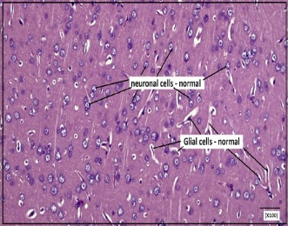
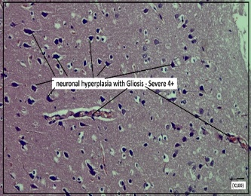
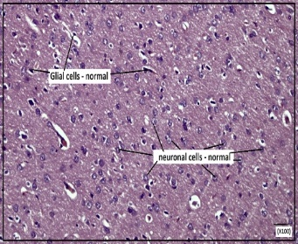
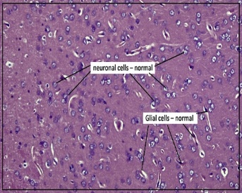
ANTI-ALZHEIMER ACTIVITY
RESEARCH
21 DAYS

48
ALzheimer
100mg/kg

NOVAL OBJECT RECOGNISATION
ELEVATED PLUS MAZE

Alcl3
 | Total
High dose group | 0.307
Mid dose group | 0.265
 | Total
High dose group | 20.75
Mid dose group | 25.75

MSG

ACETYLCHOLINESTERASE ACTIVITY
ALUMINIUM LEVELS IN BRAIN

conclusion

 | Total
High dose group | 3.461
Mid dose group | 4.195
 | Total
High dose group | 65.14
Mid dose group | 72.4

HISTOPATHOLOGY

dashboard MSG1
7
RESEARCH
ANTI_ALZHEIMER ACTIVITY

2g/kg
ALzheimer
36

NOVAL OBJECT RECOGNISATION
ELEVATED PLUS MAZE

Alcl3
 | Total
Control group | 17.25
Disease group | 56
High dose group | 23.55
Low dose group | 34
Mid dose group | 27.25
Standard group | 20.15
 | Total
High dose group | 0.3
Mid dose group | 0.24

MSG

ACETYLCHOLINESTERASE ACTIVITY
ALUMINIUM LEVELS

conclusion

 | Total
Control group | 2.308
Disease group | 6.593
High dose group | 3.223
Low dose group | 5.273
Mid dose group | 3.963
Standard group | 2.59
 | Total
Control group | 20.92
Disease group | 172.16
High dose group | 65.14
Low dose group | 88.39
Mid dose group | 72.4
Standard group | 43.15

HISTOPATHOLOGY

dashboard conclusion
ANTI-ALZHEIMER ACTIVITY
10 MONTHS
RESEARCH

1.In the Alcl₃ model, animals were treated with ELMZ for twenty one days and co- administered with Alcl3 (100 mg/kg, p.o.)
2. At the end of the treatment schedule, the animals were evaluated for altered behavioral parameters and then sacrificed; brains were isolated. hippocampal, septum and frontal cortex was dissected out for AChE estimation.
3. The rats treated with Alcl₃ alone showed reduced degenerated neurons in the hippocampus region.
4. The animals treated with ELMZ, showed better memory retention and decreased extent of neuronal damage in the hippocampal area.

Alzheimer

Alcl3

Alcl3

MSG

1. In MSG model, animals were treated with ELMZ for seven days and administered with MSG (2g/kg i.p)
2. At the end of study rats was assessed for the memory retention parameters.
3. Brains were isolated, hippocampal, septum and frontal cortex was dissected out for AchE estimation. Remaining parts of the brain was used to estimate various antioxidant parameters
4.The inducer control rats showed severe neurological and behavior deficits, increased oxidative stress in the brain homogenates.
5.The results of the present study indicate that leaves of Manilkara zapota has neuroprotective potential against chemically induced neurotoxicity.

Conclusion

MSG

The present study demonstraed that the ethonolic leaves extract of Manilkara zapota leaves possesses anti-alzheimer activity. We conclude that Manilkara zapota leaves possesses anti-alzheimer activity against Aluminium chloride (Alcl₃) and Monosodium glutamate (MSG). This conclusion was drawn from memory assessment, brain tissue AChE estimation and histopathological studies in their respective models. The anti-alzheimer effect of ELMZ may attributed to its antioxident and anti-inflammatory properties. However, further research is required to unravel the specific mode of action.

CONCLUSION

